Sheet1

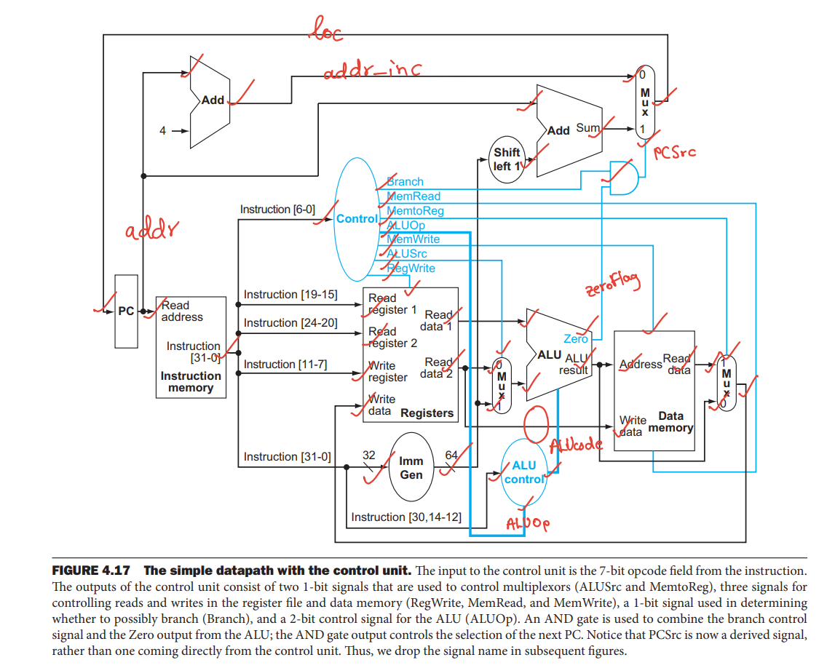
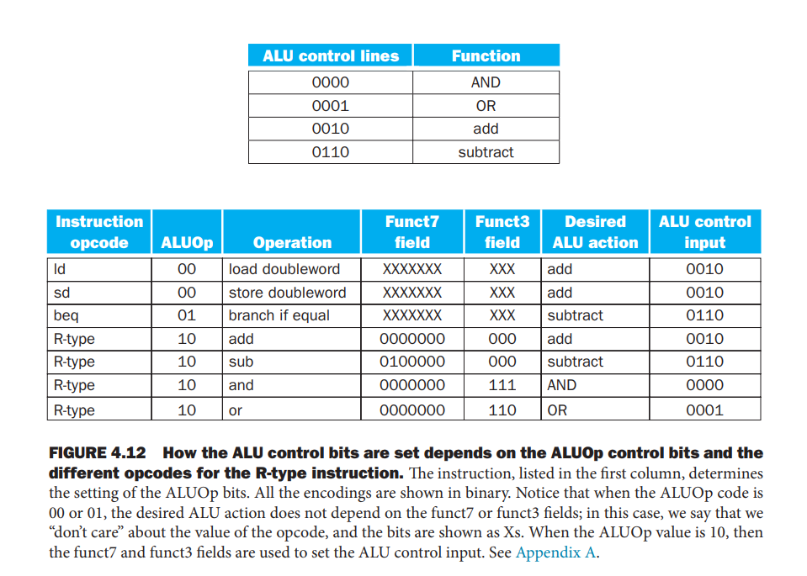
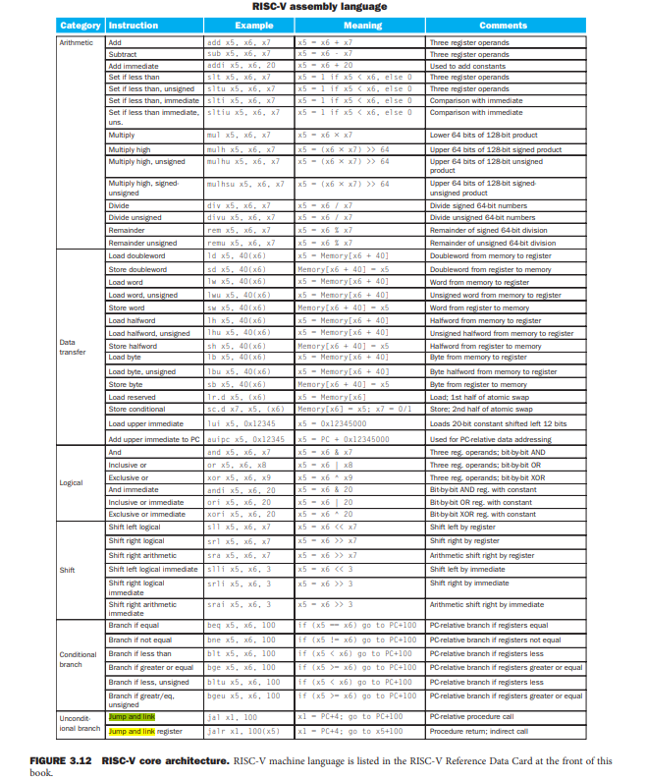
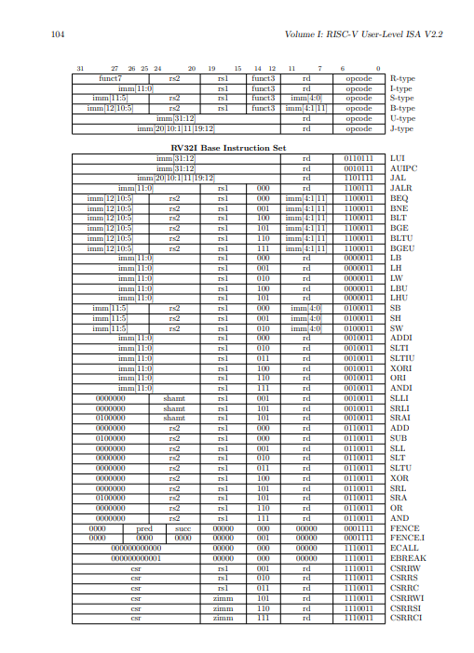
Type | Mnemonic |  | Description | Opcode | Func3 | Func7 | ALU control | RegWrite | ALUop[1:0] | Branch | MemRead | MemWrite | MemtoReg | ALUsrc | RegWrite
R-Type | add | ADD | rd = rs1 + rs2 | 0110011 | 000 | 0000000 | 0010
 | sub | SUB | rd = rs1 - rs2 | 0110011 | 000 | 0100000 | 0110
 | xor | XOR | rd = rs1 ^ rs2 | 0110011 | 100 | 0000000
 | or | OR | rd = rs1 | rs2 | 0110011 | 110 | 0000000 | 0000
 | and | AND | rd = rs1 & rs2 | 0110011 | 111 | 0000000 | 0001
 | sll | Shift left logic | rd = rs1 << rs2 | 0110011 | 001 | 0000000
 | srl | Shift right logic | rd = rs1 >> rs2 | 0110011 | 101 | 0000000
 | sra | Shift right arithmatic | rd = rs1 >> rs2 | 0110011 | 101 | 0100000
 | slt | Set less than | rd = (rs1 < rs2)? 1:0 | 0110011 | 010 | 0000000
 | sltu | Shift less than (unsigned) | rd = (rs1 < rs2)? 1:0 | 0110011 | 010 | 0000000
I-Type | addi | Add immediate | rd = rs + imm | 0010011 | 000

